Sheet1
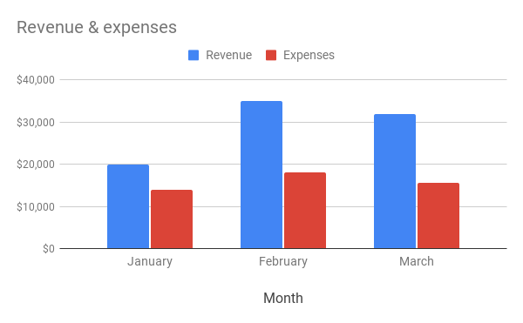
Example: | Column chart
Month | Revenue | Expenses
January | $20,000 | $14,000
February | $35,000 | $18,000
March | $32,000 | $15,500

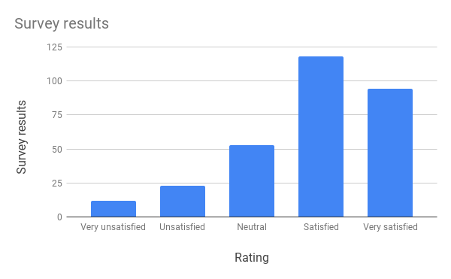
Example: | Column chart
Rating | Survey results
Very unsatisfied | 12
Unsatisfied | 23
Neutral | 53
Satisfied | 118
Very satisfied | 94

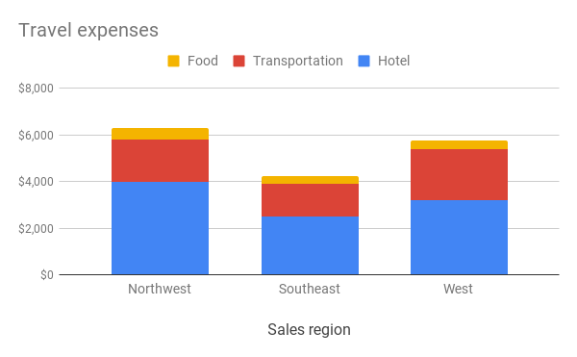
Example: | Stacked column chart
Sales region | Hotel | Transportation | Food
Northwest | $4,000 | $1,800 | $500
Southeast | $2,500 | $1,400 | $350
West | $3,200 | $2,200 | $375

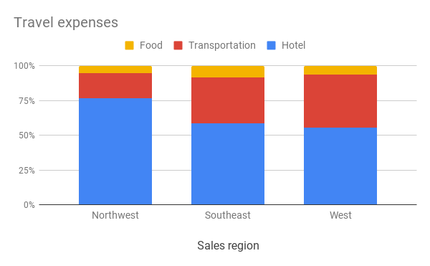
Example: | 100% stacked column chart
Sales region | Hotel | Transportation | Food
Northwest | $7,500 | $1,800 | $500
Southeast | $2,500 | $1,400 | $350
West | $3,200 | $2,200 | $375

